Sheet2
B41_SDET_036_The Debuggers
 |  | Project Name | Tool Shop Demo
 |  | Client | B41_SDET_036_The Debuggers
 |  | URL | https://practicesoftwaretesting.com/
 |  | Created by | Shubham Yetonde
 |  | Creation Date | 2024-12-18
 |  | Approved by | Vaishnavi Mam

Test Case ID | Module | Test Description | Pre-requirement | Test Data | Test Steps | Expected Result | Actual Result | Screenshot | Status
TC_001 | Homepage | Verify that the homepage loads correctly and displays all essential elements. | Stable internet connection, supported browser. | N/A | 1 Open the website URL in a browser. 2 Observe the homepage layout and content | The homepage loads within 3 seconds, and all essential elements (logo, navigation menu, search bar, footer) are visible and functional. | The homepage loads within 3 seconds, and all essential elements (logo, navigation menu, search bar, footer) are visible and functiona | Attach after execution | Pass
TC_002 | Homepage | Ensure all navigation menu links redirect to the correct pages. | Homepage is accessible. | Navigation menu links (e.g., "home," "sign in," "Contact Us"). | 1 Hover over the navigation menu. 2 Click on each link one by one. 3 Verify the redirection. | Each link redirects to the corresponding page without errors. | Each link redirects to the corresponding page without errors | Attach after execution | Pass
TC_003 | Homepage | Ensure the search feature works as expected for valid keywords | Homepage is accessible, search bar is visible. | "automation testing" | 1 Enter the keyword in the search bar. 2 Click the search icon or press Enter. 3 Review the search results | Relevant results are displayed based on the keyword. |  | Attach after execution | Pass
TC_004 TC_005 | Homepage Homepage | Ensure the search bar displays an appropriate message . Ensure the "Contact Us" form submits data correctly with valid inputs. | Homepage is accessible, search bar is visible. Contact Us page is accessible. | Keyword: "xyz123" Name : Alok Email: Alok@12345 | 1 Enter the keyword in the search bar. 1 Navigate to the "Contact Us" page. 2 Fill in the form fields with valid data. 3 Click the "Submit" button | A "No Results Found" message is displayed Form submission should succeed, and a confirmation message is displayed | Form submission should succeed, and a confirmation message is displayed | Attach after execution Attach after execution | Pass Pass
TC_006 | Homepage | Ensure appropriate error messages are displayed when mandatory fields are left blank. | Contact page is accessible | Leave Name, Email, or Message blank | 1 Navigate to the "Contact " page. 2 Leave one or more mandatory fields blank. 3 Click the "Submit" button. | An error message is displayed for the missing fields | An error message is displayed for the missing fields | Attach after execution | Pass
TC_007 | Login | Verify the user login with Valid credentials | User login the Page | Email: yetondeshubham865@.com | 1 open the url. 2 fill the data | User fill the login form with valid credentials | User is login and redirected to the another page | Attach after execution | Pass
TC_008 | Login | Verify the user login with Invalid credentials then popup message show | User login the Page | N/A | 1 open the url. 2 fill the data | User fill the login form invalid credentials | User showing the popup message correctly | Attach after execution | pass
TC_009 | Home page | Verify that within 3 seconds access the website | User login the Page | N/A | 1.Open the website in a browser. 2.Use developer tools or a performance testing tool to measure load time. | The website loads within 3 seconds | The website loads within 3 seconds | Attach after execution | Pass
TC_010 | Search Functionality | Verify search with no results | Website is live | Random keyword | 1.open the website 2.Enter a random keyword in the search bar 3.Click search | No Results Message is displayed | No Results Message is displayed | Attach after execution | Pass
TC_011 | Footer | Verify footer links | Website is live | N/A | 1. Scroll to the footer. 2. Click on each link. | Footer links navigate correctly. |  | Attach after execution | Pass
TC_012 | User Profile | Verify profile update | Logged-in user | Updated details | 1. Log in to the website. 2. Navigate to the profile section. 3. Update details and save. | Profile updates successfully | Profile updates successfully | Attach after execution | Pass
TC_013 | User Profile | Verify password change | Logged-in user | Old and new passwords | 1. Log in to the website. 2. Navigate to the profile section. 3. Change the password and save. | Password changes successfully. | Password changes successfully. | Attach after execution | Pass
TC_014 | Logout | Verify logout functionality | Logged-in user | N/A | 1. Log in to the website. 2. Click Logout. | User is logged out and redirected to the home page. | User is logged out and redirected to the home page. | Attach after execution | Pass
TC_015 | Home page | Verify that Sort option displayed | Home page | N/A | 1.Access the website | Sort otption is displayed | Sort otption is displayed |  | Pass
TC_016 | Performance Testing | Verify page load time | Website is live | N/A | 1. Measure the time taken for the home page to load. | Page loads within the acceptable time limit. | Page loads within the acceptable time limit. | Attach after execution | Pass
TC_017 | Password Recovery | Verify password recovery process | Website is live | N/A | 1. Open the login page. 2. Click on "Forgot Password." 3. Enter registered email and submit. | Password recovery email is sent. | Password recovery email is not send to email id | 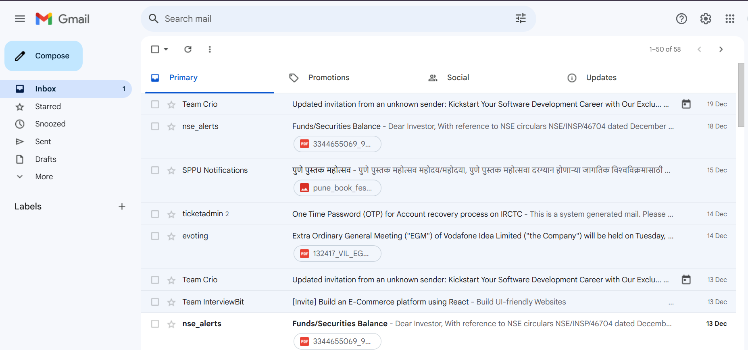 | Fail
TC_018 | Home page | Verify the functionality of the 'Add to Favorite' button | The user is logged in, and the 'Add to Favorite' button is visible. | N/A | 1.Click on the 'Add to Favorite' button. 2.Observe the feedback message or icon. | The item should be added to the favorites list, and a confirmation message or icon should appear. | The item not added to the favorites list | 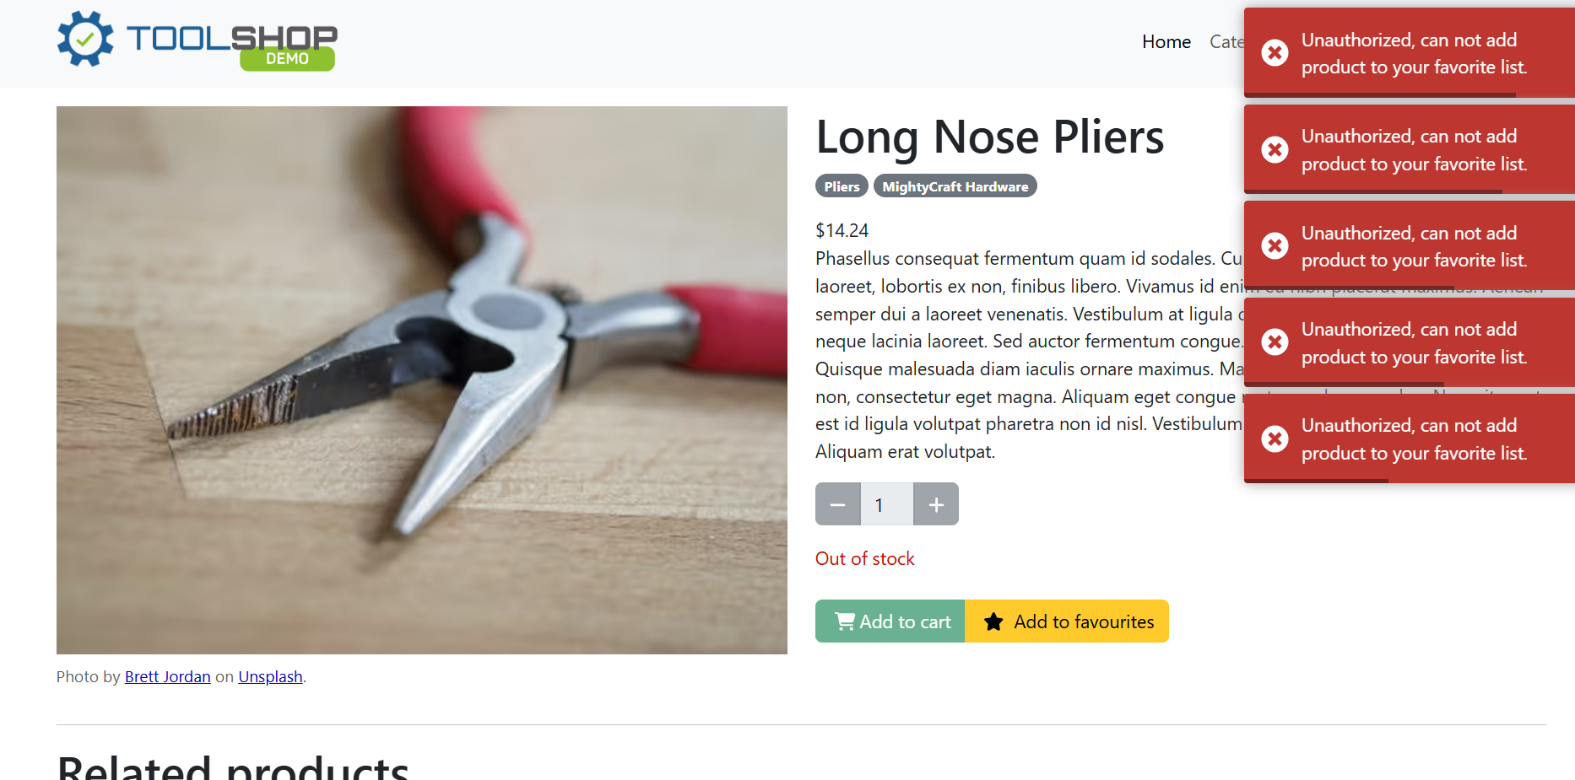 | Fail

